Cover
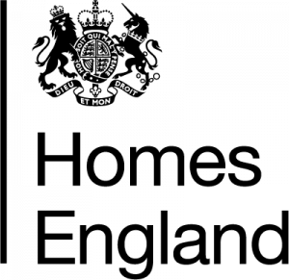

 |  | Making homes happen

 | Housing Statistics Tables
 | 1 April 2021 – 30 September 2021
 | Published 2 December 2021

enquiries@homesengland.gov.uk
0300 1234 500
gov.uk/homes-england

